Sheet1
08102019 Notes on convolution detection of overlapping disks
Nathanael Kazmierczak, UC Berkeley, Bediako Lab

One question that I was worried about that motivated this study was the following: what overlap of Bragg disks can be tolerated and yet still have a clean resolution of the two peaks?
All initial studies here are done with perfect circles of radius 100, being slide towards each other from a distance of 400:-10:0 for 41 increments total.
The convolution kernel is also a perfect circle with the same radius.

This study attempts to ascertain whether it matters if the Bragg disks are additive or not additive, when we try to detect their maxima via convolving with a kernel.
I was not thinking about it correctly before and was worried that additive Bragg disks (which I believe we will have from looking at initial data) would not be as well detected because the middle region
 | has doubled in intensity, so it seemed that the kernel would get sucked in
But this is actually not the case, as demonstrated by the graphs below, because by the time the kernel sits over top of the correct local max, it has encompassed the entirety of the doubled intensity
 | region and thus stands to gain nothing from moving laterally.
So our initial analysis was correct: overlap of very intense hBN is a major issue for the convolution kernel, but overlap of two graphene peaks of equal intensity should not in theory be an issue.

Code for this study is convolution_overlap_study.m, which is in the 4DSTEM_local folder on the Desktop of the lab computer.

 | Kernel used and cases of overlap throughout the study are graphed below. Map of how the Bragg disks overlap on the left, convolution map on the right.
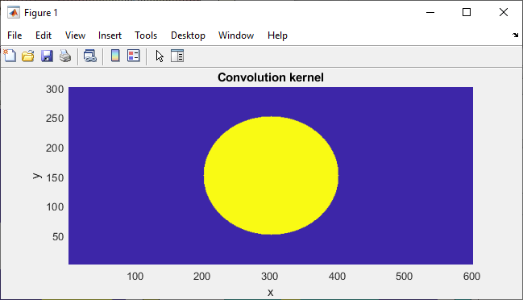

(The masks below represent the two Bragg disks from the two graphene peaks.)
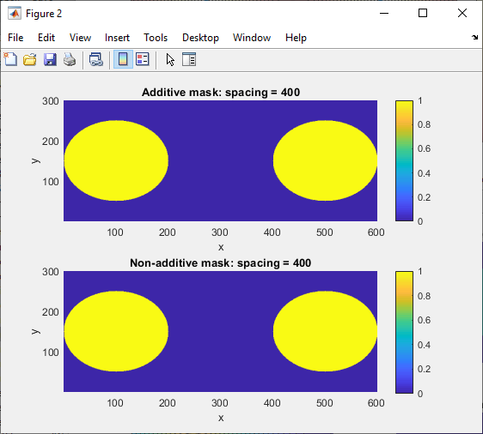
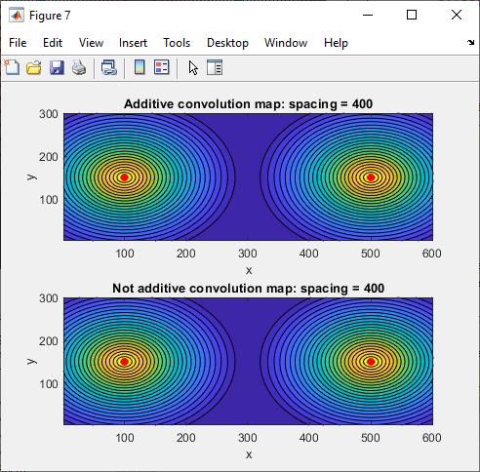

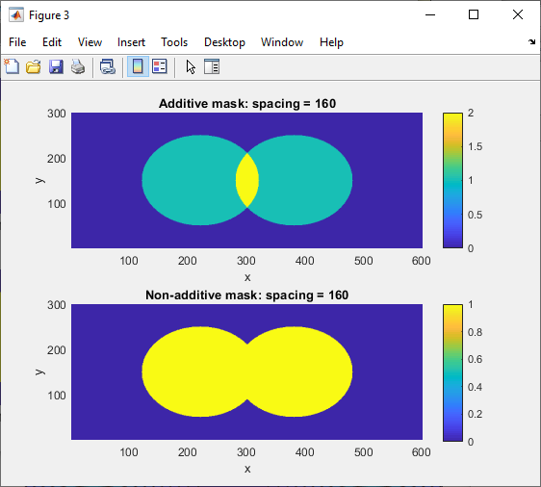
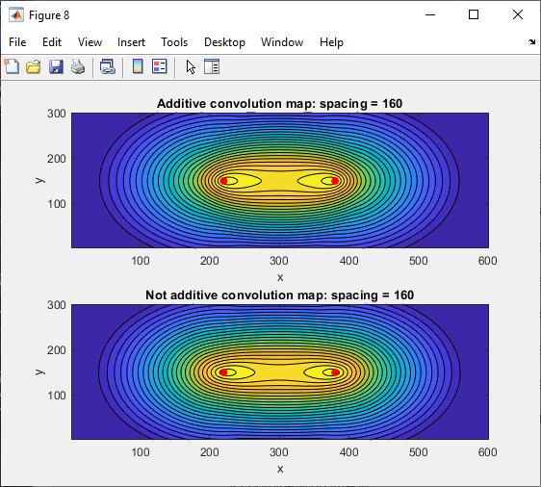

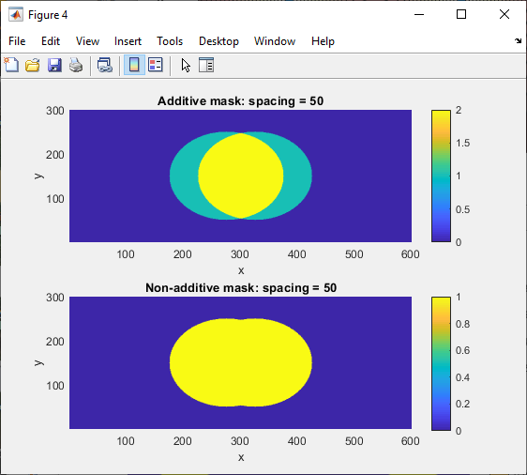
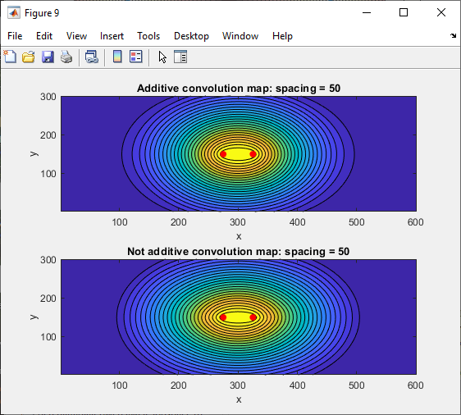

(Note that for the spacing = 50 case, we have concluded from the tinkering around below that the local max are stilll distinct under the resolution of the contour plot.)
The real punchline here is plotting slices along the y-coordinate of the two disks and concatenating them vertically, further overlaying the maxima in each slice.
This shows how the convolution map evolves over disk spacings.
While the additive nature of the convolution map changes the shape slightly, it does not change where the two maxima come together owing to discretization, for instance.
The blue dots are the local maxima computed as you take horizontal slices of the figure.
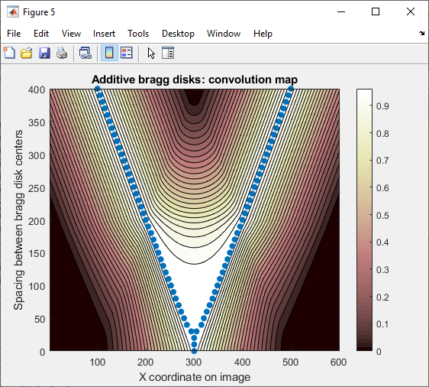


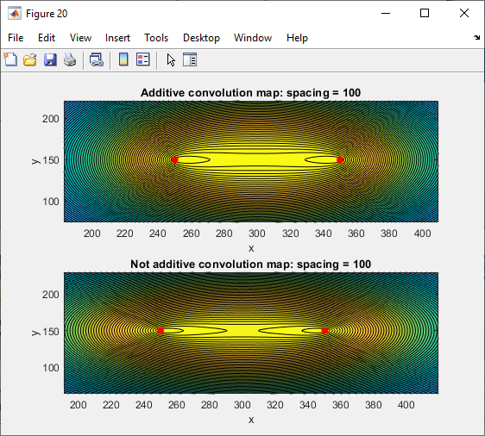
 | It does seem that past some threshold spacing, there is no longer any resolution within the limits of the pixelation of the image.
 | This could be an important factor when trying to think about whether it is better to take zoomed-in images or zoomed-out images,
 |  | considering the trade-off between accurate beam position determination and pixel resolution.
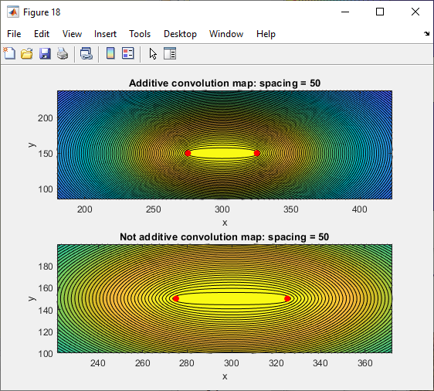
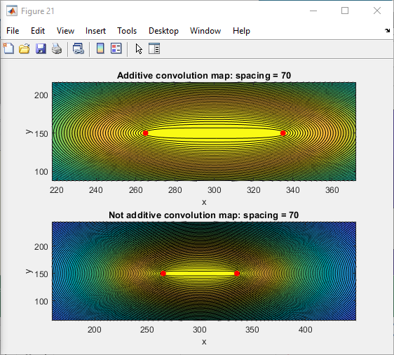
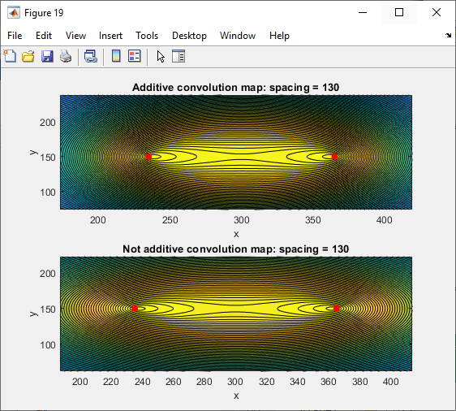

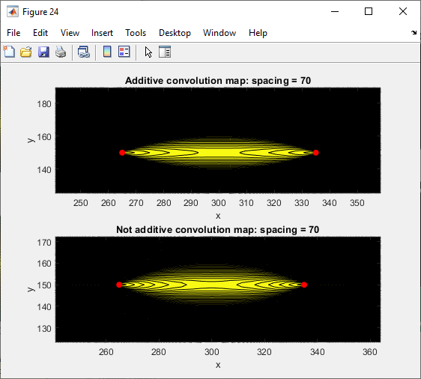
 | Need to figure out how imregionalmax works. If there is a flat line and two things connected , will it give you two maxima?
 | Seems like the answer is no.
 | If you zoom in really far with 1000 line contour plots, you can
 |  | see distinct max even for a spacing of 70.
 | So I think that imregionalmax is telling us the truth.
 | When the two branches converge down near 20 separation or so,
 |  | that is when the discretization is really coming
 |  | into effect I think.

